1.Def of Adaptive Boosting
∎WHAT IS ADABOOSTING ? |  | REFERENCE

▣DEFINITION OF ADABOOSTING ALGORITHM

⇰According to Analytics Vidhya AdaBoost algorithm, short for Adaptive Boosting, is a Boosting technique used as an Ensemble Method in Machine Learning. It is called Adaptive Boosting as the weights are re-assigned to each instance, with higher weights assigned to incorrectly classified instances. ⇰According to Towards Data Science AdaBoost stands for “Adaptive Boosting”. Adaptive because the models are built one after the other & the performance of the previous models influences the model-building process of the following models. ⇰In Simple Words AdaBoost algorithm, short for Adaptive Boosting, is a Boosting technique used as an Ensemble Method in Machine Learning. It is called Adaptive Boosting as the weights are re-assigned to each instance, with higher weights assigned to incorrectly classified instances. | ∎PROCESS OF ADABOOSTING ALGORITHM | ⇰REFERENCE (Website)-->Analytics Vidhya Regarding Conceptual Understanding of Boosting Model⇒AdaBoosting Algorithm | ⇰REFERENCE (You Tube)-->Krishna Naik Regarding Conceptual Understanding of Boosting Model⇒ AdaBoosting Algorithm

 | 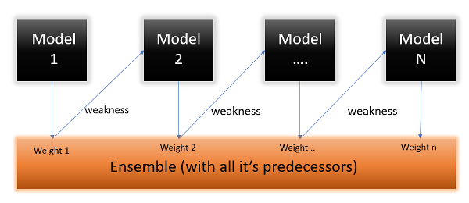

 |  | ⇰REFERENCE (Website)-->Towards Data Science Regarding Conceptual Understanding of Boosting Model ⇒AdaBoosting Algorithm | ⇰REFERENCE (You Tube)-->Stat Quest Regarding Conceptual Understanding of Boosting Model⇒ AdaBoosting Algorithm

 |  |  | ⇰REFERENCE (Website)-->VitalFlux Regarding Practical Implementation of Various Example of AdaBoosting Algorithm

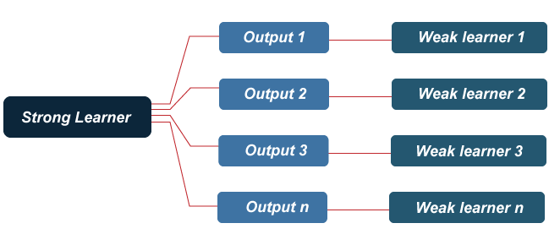
⇰According to Analytics Vidhya In Simple words What this algorithm does is that it builds a model & gives equal weights to all the data points. It then assigns higher weights to points that are wrongly classified. Now all the points with higher weights are given more importance in the next model. It will keep training models until & unless a lower error is received. |  | ⇰REFERENCE (Website)-->JavaTPoint Regarding Conceptual Understanding of Boosting & Model ⇒ AdaBoosting Algorithm

 |  | ⇰REFERENCE (Website)-->Analytics Vidhya Regarding Conceptual Understanding of Boosting Model⇒ AdaBoosting Algorithm

⇰According to Java T Point This method operates iteratively, identifying misclassified data points & adjusting their weights to minimize the training error. The model continues to optimize sequentially until it yields the strongest predictor.

▣WHAT IS STUMP ?
①STUMP
∎A decision stump is a machine learning model consisting of a one-level decision tree.That is, it is a decision tree with one internal node (the root) which is immediately connected to the terminal nodes (its leaves). A decision stump makes a prediction based on the value of just a single input feature. Sometimes they are also called 1-rules. ∎Decision Stump is a type of decision tree used in supervised learning. It is a one-level decision tree that acts as a base classifier in many ensemble methods. In Decision Stump, the decision is made based on a single feature, creating a simple binary decision rule. It is particularly useful for binary classification problems where only a few important features are available. | 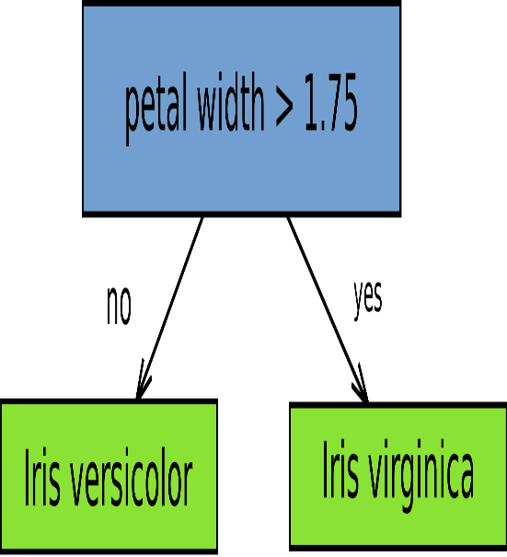 | ⇰REFERENCE (Website)-->Wikipedia Regarding Conceptual Understanding of Terminology of Decision Tree's (Stump) | ⇰REFERENCE (Website)-->Dev Regarding Conceptual Understanding of Diff in Algorithm⇒SAMME & SAMME.R for AdaBoosting Models

 |  | ⇰REFERENCE (Website)-->SerpAI Regarding Conceptual Understanding of Decision Tree's Terminology⇒Stump | ⇰REFERENCE (Website)-->Medium Regarding Conceptual Understanding of Various H.parameter for AdaBoosting Classifiers

 |  | ⇰REFERENCE (Website)-->VitalFlux Regarding Practical Implementation of Various Example of AdaBoosting Algorithm

⇒PROCESS OR PROPER UNDERSTANDING FOR ADABOOSTING
 |  |  | ⇰REFERENCE (Website)-->Dev Regarding Conceptual Understanding of Diff in Algorithm⇒SAMME & SAMME.R for AdaBoosting Models
❶According to JavaTPoint AdaBoost is implemented by combining several weak learners into a single strong learner. The weak learners in AdaBoost take into account a single input feature & draw out a single split decision tree called the decision stump.Each observation is weighted equally while drawing out the first decision stump. | 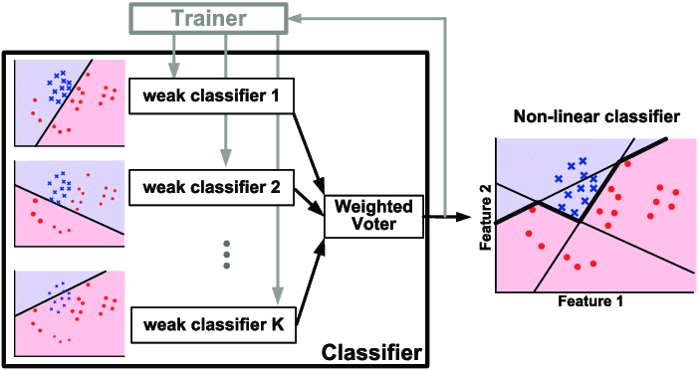 | ⇰REFERENCE (Website)-->Research Gate Regarding Conceptual Understanding of Boosting Model ⇒AdaBoost Algorithm

 |  | ⇰REFERENCE (Website)-->VitalFlux Regarding Practical Implementation of Various Example of AdaBoosting Algorithm | ⇰REFERENCE (Website)-->Medium Regarding Conceptual Understanding of Various H.parameter for AdaBoosting Classifiers
❷The results from the first decision stump are analyzed & if any observations are wrongfully classified, they are assigned higher weights. A new decision stump is drawn by considering the higher-weight observations as more significant Again if any observations are misclassified, they're given a higher weight, & this process continues until all the observations fall into the right class.

 |  | ⇰REFERENCE (Website)-->1.14(i) Google Colab AdaBoosting Models Regarding Conceptual Understanding Procedure for AdaBoosting Algorithm

❹Adjustment Process in AdaBoosting Model:AdaBoost adjusts the estimator_weights based on the performance of each base estimator. Estimators that perform well are assigned higher weights, while those that perform poorly receive lower weights. This iterative process aims to create a strong ensemble by giving more importance to the better-performing base estimators.

2.Derivation (AdaBoost) &Notes
▣ MATHEMATICAL DERIVATION (EXPLANATION) FOR ADABOOSTING |  | REFERENCE

⇰Understanding the Working of the AdaBoost Algorithm Let’s understand what & how this algorithm works under the hood with the following tutorial.

▣STEP 1 ⇒ASSIGNING WEIGHTS

❶The Image shown below is the actual representation of our dataset. Since the target column is binary, it is a classification problem. First of all, these data points will be assigned some weights. Initially, all the weights will be equal. | 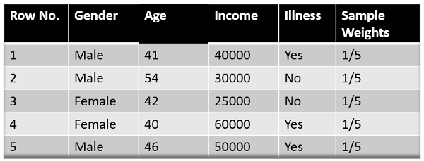 | ⇰REFERENCE (Website)-->Analytics Vidhya Regarding Mathematical Derivation of AdaBoosting Algorithm

❷The formula to calculate the sample weights is: |  | ⇰REFERENCE (You Tube)-->Krishna Naik Regarding Mathematical Understanding of AdaBoosting Algorithm

◅Where N is the total number of data points Here since we have 5 data points, the sample weights assigned will be 1/5. |  | ⇰REFERENCE (You Tube)-->Stat Quest Regarding Mathematical Understanding of AdaBoosting Algorithm

▣STEP 2 ⇒Classify the Samples

❶We start by seeing how well “Gender” classifies the samples & will see how the variables (Age, Income) classify the samples. | ❸To Check Purity of Each & Every Stump & Choosing One of the Stump (Which Use Gini Impurity or Entropy (For Each & Every Stump) To Check to find purity & impurity in a node & Using in Splitting Criterion (Finding Best Stump) ⇒EXAMPLE (REFERENCE FROM NOTEBOOK) | ⇰REFERENCE (Website)-->Udemy Regarding Conceptual Understanding of Concept ⇒AdaBoosting

❷We’ll create a decision stump for each of the features & then calculate the Gini Index of each tree. The tree with the lowest Gini Index will be our first stump.Here in our dataset, let’s say Gender has the lowest gini index, so it will be our first stump.

 | ⇰1st Page

 |  | ⇰REFERENCE (Website)-->Scikitlearn Regarding Conceptual Understanding of Model⇒ AdaBoost Classifiers

 |  | ⇰REFERENCE (Website)-->Scikitlearn Regarding Conceptual Understanding of Model⇒AdaBoost Regressors

⇰2nd Page | ⇰3rd Page
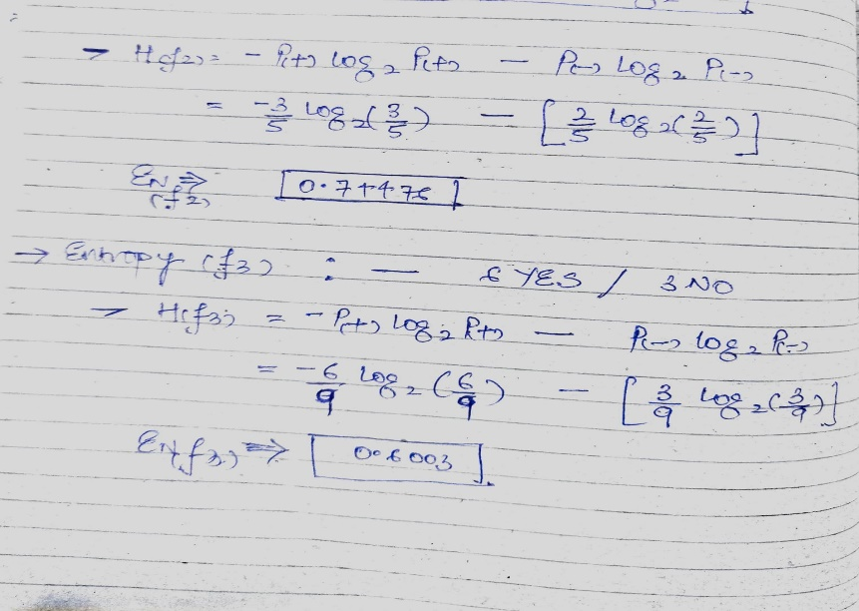 | 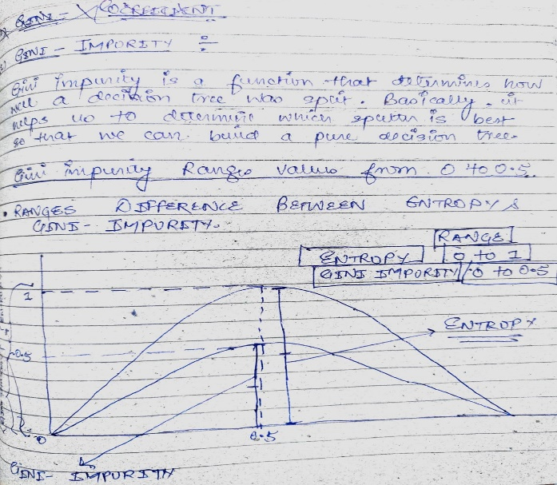 | ⇰REFERENCE (Website)-->Scikitlearn Regarding Conceptual Understanidng of (DT) Decision Tree Regression With AdaBoosting

⇰4th Page | ❺5th Page
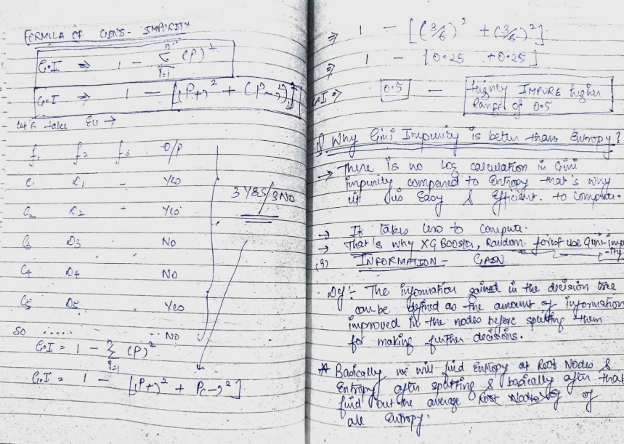 | 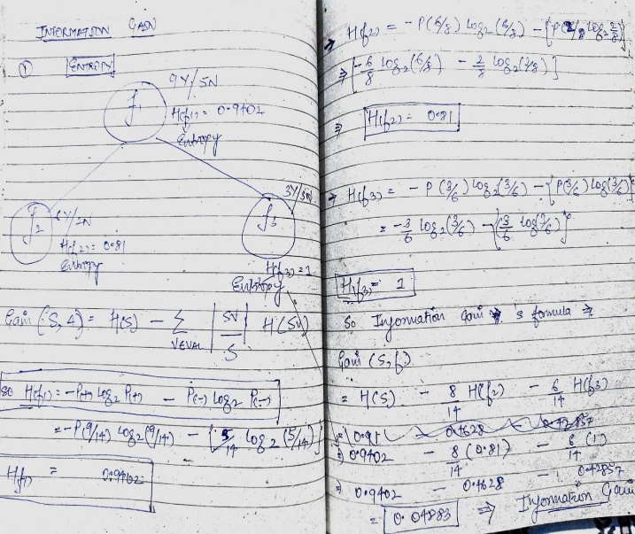

 |  | ⇰REFERENCE (Website)-->Analytics Vidhya Regarding Mathematical Derivation of AdaBoosting Algorithm

▣STEP 3 ⇒Calculate the Influence |  | ⇰REFERENCE (You Tube)-->Krishna Naik Regarding Mathematical Understanding of AdaBoosting Algorithm

❶We’ll now calculate the “Amount of Say” or “Importance” or “Influence” for this classifier in classifying the data points using this formula: | ❷The total error is nothing but the summation of all the sample weights of misclassified data points. ❸Here in our dataset, let’s assume there is 1 wrong output, so our total error will be 1/5, & the alpha (performance of the stump) will be: (Fig Given Below)

 |  | ⇰REFERENCE (You Tube)-->Stat Quest Regarding Mathematical Understanding of AdaBoosting Algorithm

❹NOTE⇒Total error will always be between 0&1.(0 Indicates perfect stump &1 indicates horrible stump) | 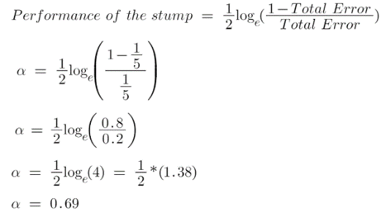
 |  | ⇰REFERENCE (Website)-->Udemy Regarding Conceptual Understanding of Concept ⇒AdaBoosting

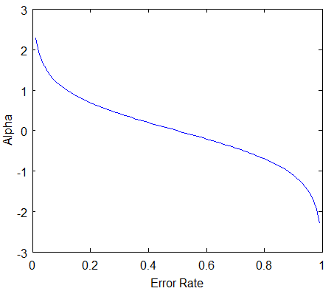

 |  | ⇰REFERENCE (Website)-->Scikitlearn Regarding Conceptual Understanding of Model⇒ AdaBoost Classifiers

⇒REFERENCE OF PICTORIAL REPRESENTATION FOR STUMP PERFORMANCE
◅Here We can see that Performance Stump of F3 (Feature⇒Weight) Have Lowest Error⇒0.97 That's why it is Perfect Stump among Other Stump. (EXAMPLE REFERENCE FROM COPY) |  | ⇰REFERENCE (Website)-->Scikitlearn Regarding Conceptual Understanding of Model⇒AdaBoost Regressors

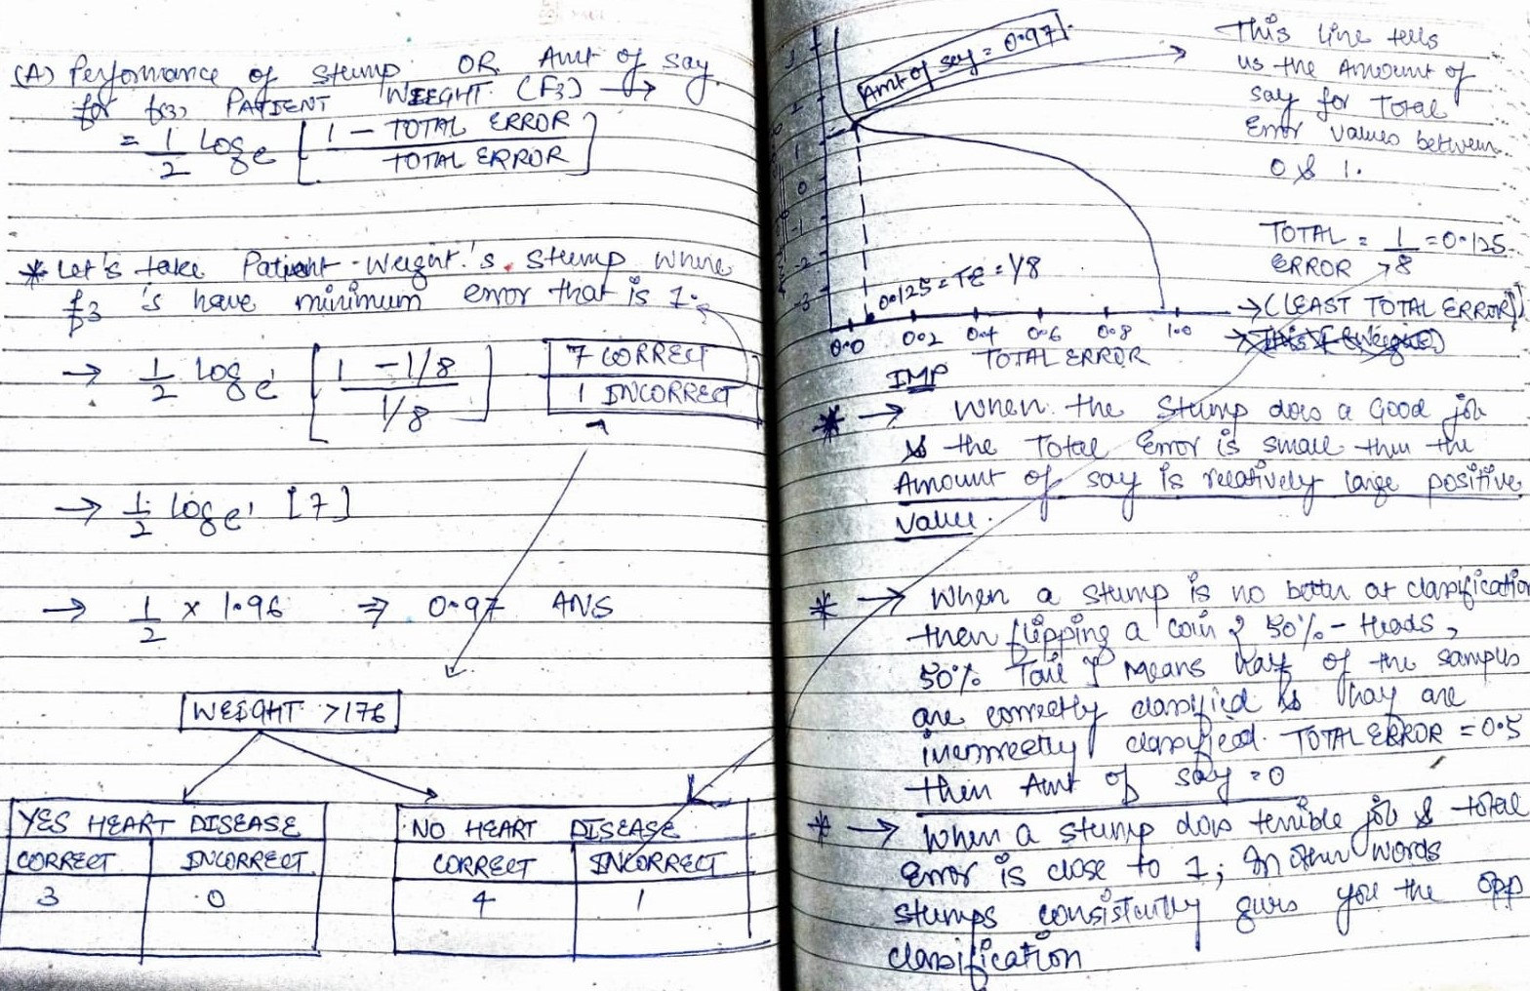

 |  | ⇰REFERENCE (Website)-->Scikitlearn Regarding Conceptual Understanidng of (DT) Decision Tree Regression With AdaBoosting

▣STEP 4 ⇒Calculate TE (Total Errors) and Performance

❶You must be wondering why it is necessary to calculate the TE (Total Errors) & performance of a stump. Well, the answer is very simple, we need to update the weights because if the same weights are applied to the next model, then the output received will be the same as what was received in the first model.

❷The wrong predictions will be given more weight, whereas the correct predictions weights will be decreased. Now when we build our next model after updating the weights, more preference will be given to the points with higher weights.

❸After finding the importance of the classifier & total error, we need to finally update the weights & for this, we use the following formula:

▣FORMULA COMPREHENSION
❶The amount of, say (alpha) will be negative when the sample is correctly classified.
❷The amount of, say (alpha) will be positive when the sample is miss-classified.
❸There are four correctly classified samples & 1 wrong. Here, the sample weight of that datapoint is 1/5, and the amount of say/performance of the stump of Gender is 0.69.

▣New weights for correctly classified samples are: | ▣For wrongly classified samples, the updated weights will be:

⇰Note | 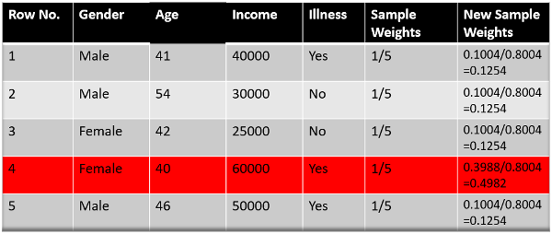
❶See the sign of alpha when I am putting the values, the alpha is negative when the data point is correctly classified, & this decreases the sample weight from 0.2 to 0.1004. It is positive when there is misclassification, & this will increase the sample weight from 0.2 to 0.3988.

❷We know that the total sum of the sample weights must be equal to 1, but here if we sum up all the new sample weights, we will get 0.8004. To bring this sum equal to 1, we will normalize these weights by dividing all the weights by the total sum of updated weights, which is 0.8004. So, after normalizing the sample weights, we get this dataset, & now the sum is equal to 1. | ▣REFERENCE FROM NOTEBOOK
 | 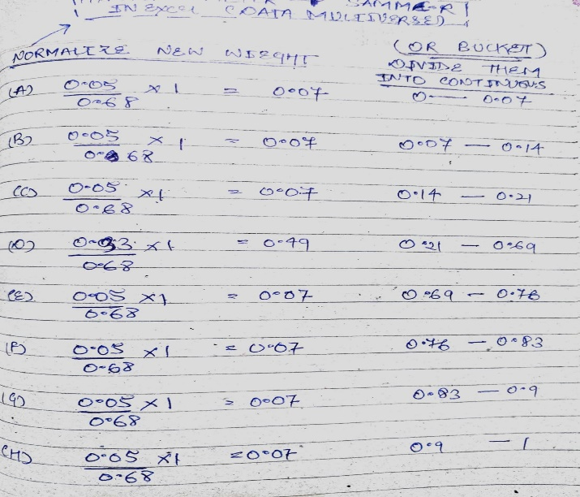

▣STEP 5⇒Decrease Errors

❶Now, we need to make a new dataset to see if the errors decreased or not. For this, we will remove the “sample weights” & “new sample weights” columns & then, based on the “new sample weights,” divide our data points into buckets. |  | ⇰REFERENCE (Website)-->Analytics Vidhya Regarding Mathematical Derivation of AdaBoosting Algorithm

 |  | ⇰REFERENCE (You Tube)-->Krishna Naik Regarding Mathematical Understanding of AdaBoosting Algorithm

 | 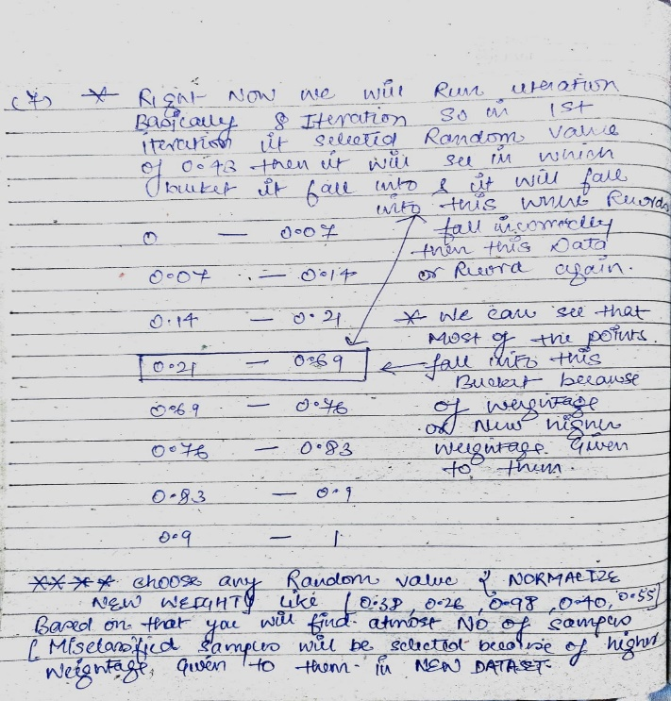

 |  | ⇰REFERENCE (You Tube)-->Stat Quest Regarding Mathematical Understanding of AdaBoosting Algorithm

 |  | ⇰REFERENCE (Website)-->Udemy Regarding Conceptual Understanding of Concept ⇒AdaBoosting

▣STEP 6⇒New Dataset

❶We are almost done. Now, what the algorithm does is selects random numbers from 0-1. Since incorrectly classified records have higher sample weights, the probability of selecting those records is very high. ❷Suppose the 5 random numbers our algorithm take is 0.38,0.26,0.98,0.40,0.55.Now we will see where these random numbers fall in the bucket, and according to it, we’ll make our new dataset shown below.Pl check Figure (Right) ⇒

 | 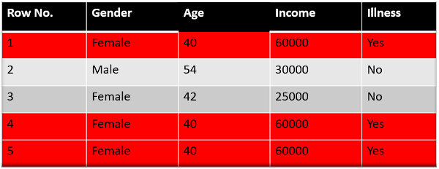
 |  | ⇰REFERENCE (Website)-->Scikitlearn Regarding Conceptual Understanding of Model⇒ AdaBoost Classifiers

⇰NOTE |  | ⇰REFERENCE (Website)-->Scikitlearn Regarding Conceptual Understanding of Model⇒AdaBoost Regressors
⇒This comes out to be our new dataset, & we see the data point, which was wrongly classified, has been selected 3 times (Row No 1 ,4, 5) because it has a higher weight.

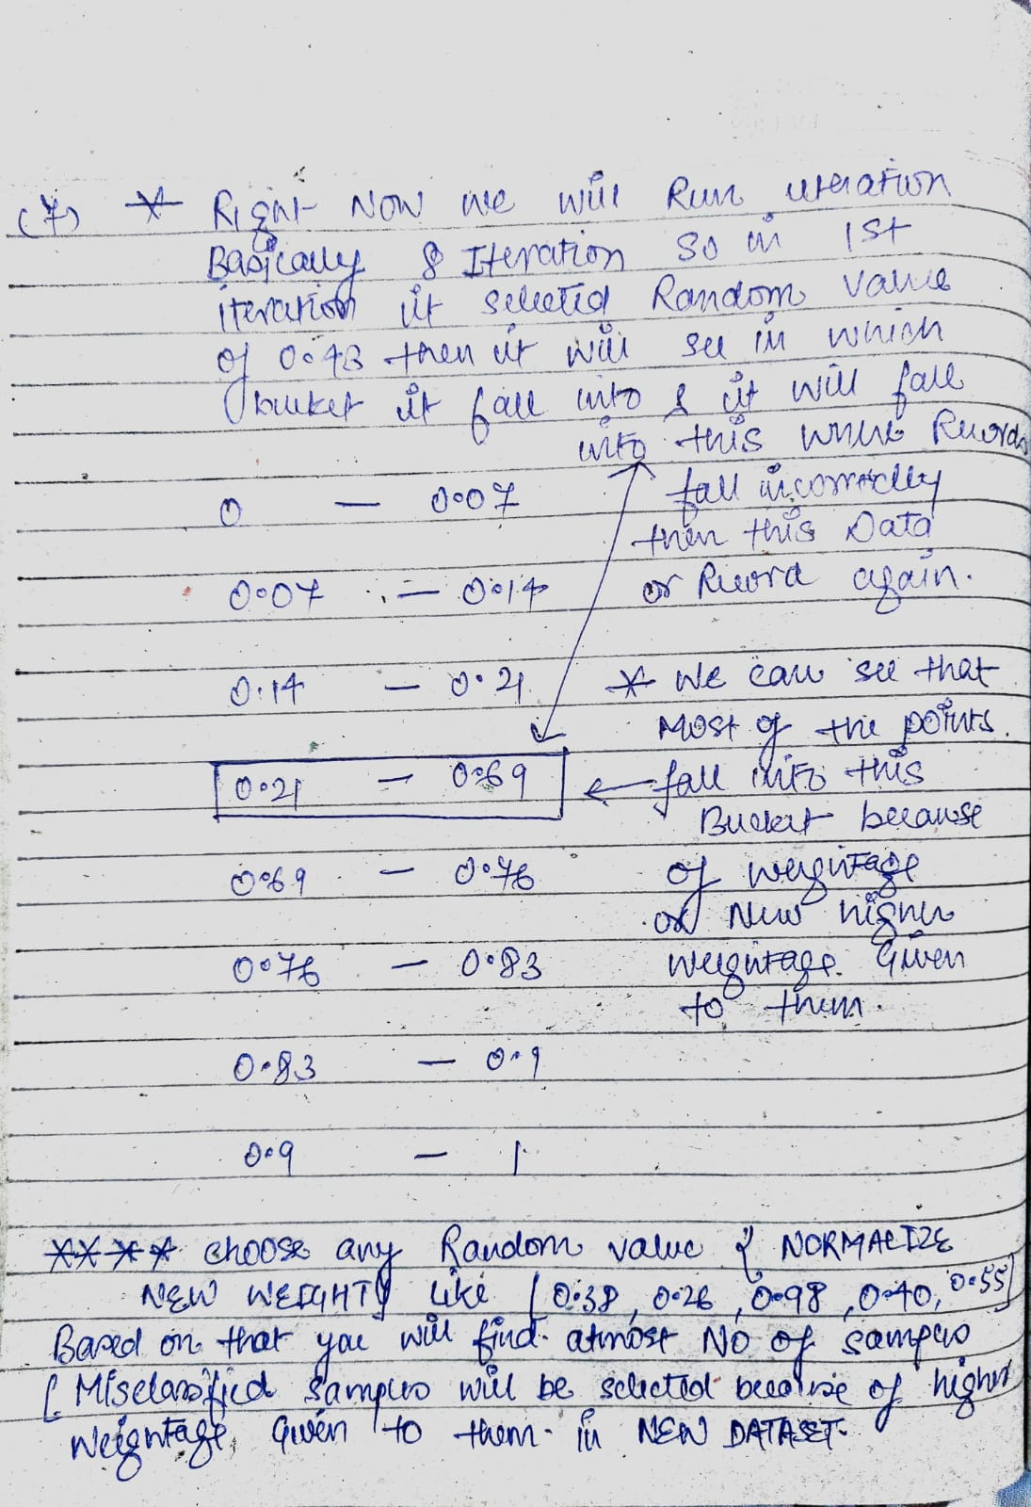
 |  | ⇰REFERENCE (Website)-->Scikitlearn Regarding Conceptual Understanidng of (DT) Decision Tree Regression With AdaBoosting

▣STEP 7 ⇒Repeat Previous Steps

⇰Now this act as our new dataset, &we need to repeat all the above steps i.e.
❶Assign equal weights to all the data points. ❷Find the stump that does the best job classifying the new collection of samples by finding their Gini Index & selecting the one with the lowest Gini index. ❸Calculate the “Amount of Say” & “Total error” to update the previous sample weights. ❹Normalize the new sample weights.

◅EXPLANATION OF PREVIOUS STEPS |  | ⇰REFERENCE (Website)-->1.14(i)Google Colab AdaBoosting Classifiers Regarding Conceptual Undestanding & Mathematical Derivation for AdaBoosting Algorithm
①Iterate through these steps until & unless a low training error is achieved. ②Suppose, with respect to our dataset, we have constructed 3 decision trees (DT1, DT2, DT3) in a sequential manner. If we send our test data now, it will pass through all the decision trees, & finally, we will see which class has the majority & based on that, we will do predictions for our test dataset.

▣NOTES (REQUISITE WHILE CALCULATING MATHEMATICAL DERIVATION FOR ADABOOSTING & CALCULATION FOR DECISION TREE)

◅While Gini Impurity & Entropy Used to Find Perfect Root Node (Check Purity & Impurities in DT Decision Tree) But in AdaBoosting We use Gini Impurities & Entropy to Find Impurities in STUMP & Find Performance of STUMP By that Formula & Use to Adjust Weight & Best Performer (STUMP)'s Misclassification will be selected (Feature Which have Atleast MISCLASSIFICATION) & On Performance (say) Calculation will be done on that based on that Weight Readjustment will be done. | 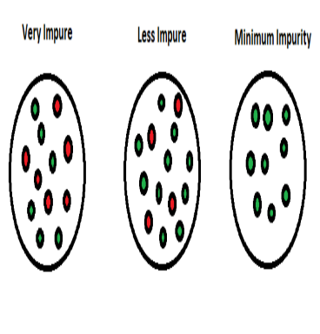 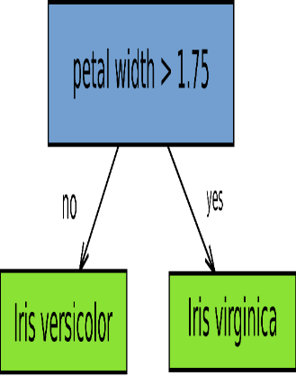 | ⇰REFERENCE (Website)-->Wikipedia Regarding Conceptual Understanding of Terminology of Decision Tree 's (Stump) | ⇰REFERENE (Website)-->Udemy Regarding Thereotical & Conceptual Understanding & Various Terminology of Decision Tree | ⇰REFERENCE (Website)-->Java T Point Regarding Thereotical & Conceptual Understanding of Various Components of Decision Tree | ⇰REFERENCE (Website)-->Geeks for Geeks Regarding Thereotical & Conceptual Understandng of Various Components of Decision Tree

 |  | ⇰REFERENCE (Website)-->SerpAI Regarding Conceptual Understanding of Decision Tree's Terminology⇒Stump
▣NOTES (REQUISITE FOR CALCULATING MISCLASSIFICATION IN MATHEMATICAL DERIVATION SELECTING STUMP IN ADABOOSTING)

◅Those Features Which have Less Misclassification & Have Atleast Gini Impurities (Means More Purity) & Utmost Impact on Output That's why & Having Higher Saying in Performance (Ex Like in Feature->Weight in My copy Which have Atleast Entropy Because of Atleast MISCLASSIFICATION) & Because of That Highest Performance (Say) That's why we select this Feature's Misclassification & Use This to change Sample Weight in ADABOOSTING & STUMP When New STUMP is created. | 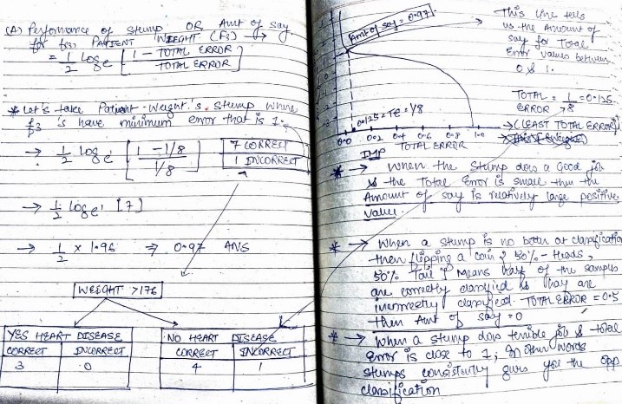

 |  | ⇰REFERENCE (Website)-->SerpAI Regarding Conceptual Understanding of Decision Tree's Terminology⇒Stump | ⇰REFERENCE (Website)-->Wikipedia Regarding Conceptual Understanding of Terminology of Decision Tree 's (Stump) | ⇰REFERENE (Website)-->Udemy Regarding Thereotical & Conceptual Understanding & Various Terminology of Decision Tree | ⇰REFERENCE (Website)-->Java T Point Regarding Thereotical & Conceptual Understanding of Various Components of Decision Tree | ⇰REFERENCE (Website)-->Geeks for Geeks Regarding Thereotical & Conceptual Understandng of Various Components of Decision Tree

▣NOTES (DIFFERNCE IN BETWEEN STUMP CALCULATION OF REGRESSION BASED FEATURE (WEIGHT) VS REST OF FEATURES (CLASSIFICATION) BASED IN DATASET

◅Basically in Simple Explanation In This Dataset We can see We have No of Feature (F1⇒Chest Pain ⇰CLASSIFICATION (LABEL BASED)) ,(F2⇒Blocked Arteries ⇰CLASSIFICATION (LABEL BASED)) ,(F3⇒Patient Weight⇰REGRESSION(CONTINUOUS BASED)) & (F4⇒Heart Disease⇰CLASSIFICATION (LABEL BASED) & As We can see in (F3⇒Patient Weight⇰REGRESSION(CONTINUOUS BASED)) in Which we can use Decision Tree (Stat Quest) & Logistics Regression 's Logic To Determine Best Weight to Separate Patients By Plotting all Coordinates in Points to Create to Find Best Separator Point (Best Weight⇒176)⇒ & Output (Heart Related Impact) Then ROOT NODE is Created & Then STUMP Based on that While on Rest of Feature (Classification Label Based) Label are Apportioned on the basis of thier Impact on Output (Heart Related Impact).

▣1ST SCREENSHOT FROM YOU TUBE (STAT QUEST)
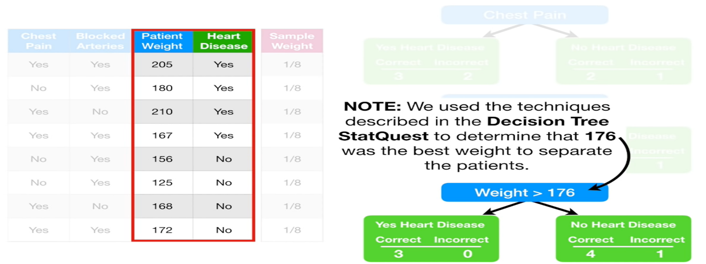 |  | ⇰REFERENCE (YOU TUBE) -->Stat Quest Regarding Conceptual Understanding of Mathematical Understanding of AdaBoosting Algorithm

 |  | ⇰REFERENCE (Website)-->Udemy Regarding Conceptual Understanding of Logistic Regression (Theory Intuition Linear to Logistic Math)

▣2ND REFERENCE FROM (COPY) |  | ⇰REFERENCE (You Tube) -->Stat Quest Regarding Conceptual Understanding of Mathematical Understanding of AdaBoosting Algorithm
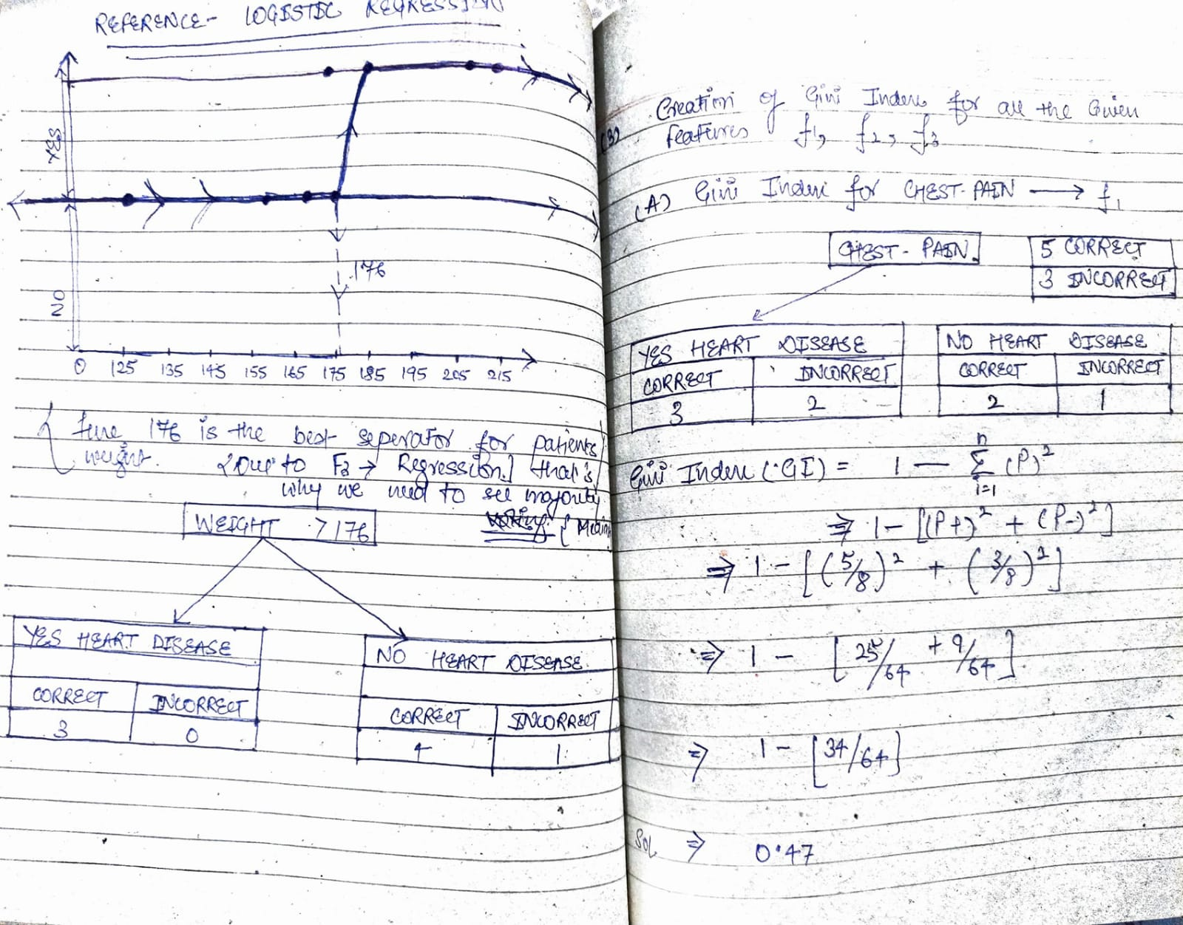

 |  | ⇰REFERENCE (Website)-->Udemy Regarding Conceptual Understanding of Logistic Regression (Theory Intuition Linear to Logistic Math)

▣3RD REFERENCE FROM LOGISTIC REGRESSION (UDEMY) AS WE HAVE SEEIN REGRESSION BASED CONTINUOUS VARIABLES (F3) PATIENT WEIGHT

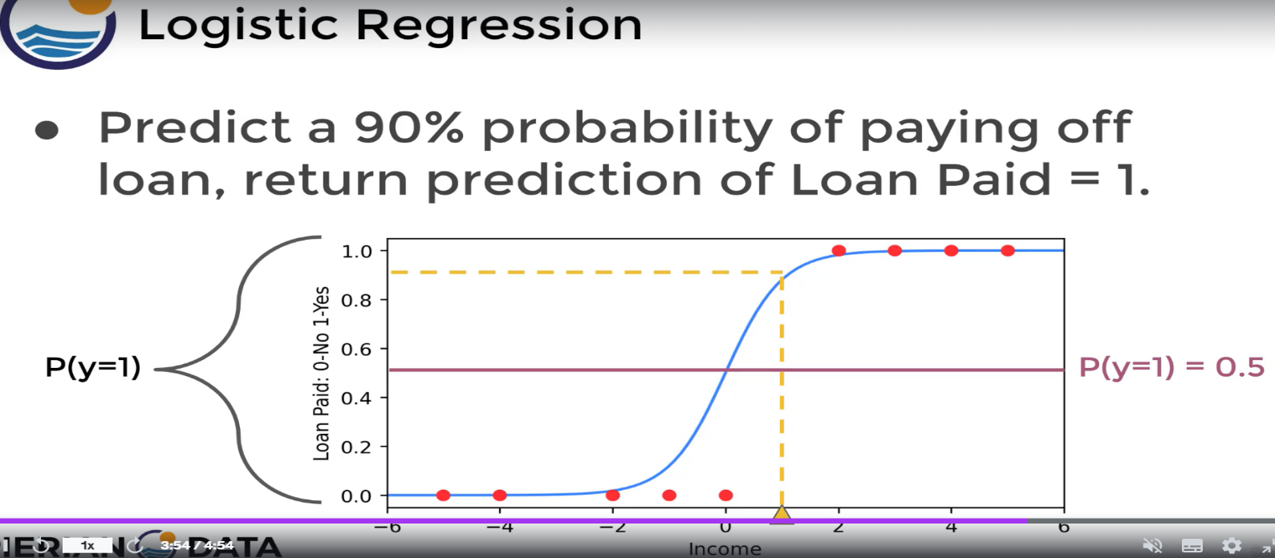 |  | ⇰REFERENCE (YOU TUBE) -->Stat Quest Regarding Conceptual Understanding of Mathematical Understanding of AdaBoosting Algorithm

 |  | ⇰REFERENCE (Website)-->Udemy Regarding Conceptual Understanding of Logistic Regression (Theory Intuition Linear to Logistic Math)

▣4TH REFERENCE FROM LOGISTIC REGRESSION (UDEMY) AS WE HAVE SEEIN REGRESSION BASED CONTINUOUS VARIABLES (F3) PATIENT WEIGHT

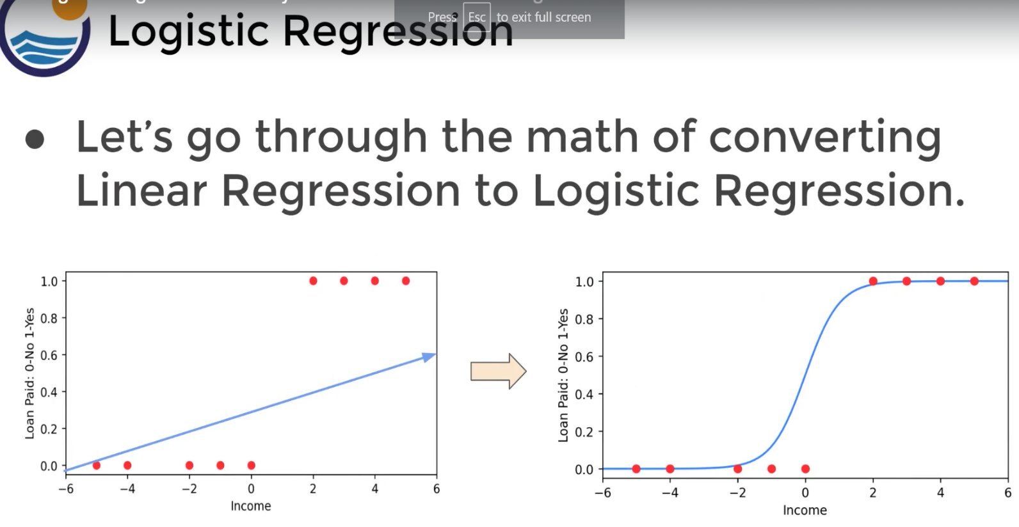 |  | ⇰REFERENCE (YOU TUBE) -->Stat Quest Regarding Conceptual Understanding of Mathematical Understanding of AdaBoosting Algorithm

 |  | ⇰REFERENCE (Website)-->Udemy Regarding Conceptual Understanding of Logistic Regression (Theory Intuition Linear to Logistic Math)

